Duration Chart
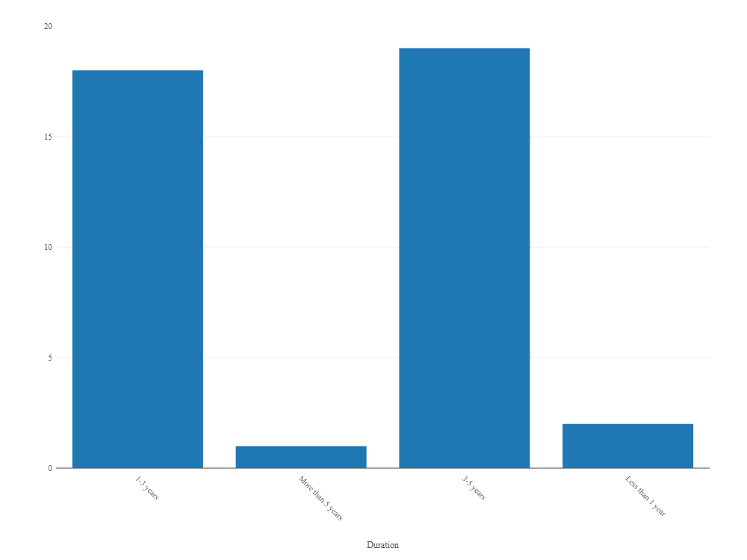
Row Labels | Count of Duration
1-3 years | 18
3-5 years | 19
Less than 1 year | 2
More than 5 years | 1
Grand Total | 40

Expect Chart
Expect Analysis
Row Labels | Count of Expect
10%-20% | 3
20%-30% | 32
30%-40% | 5
Grand Total | 40

